60m
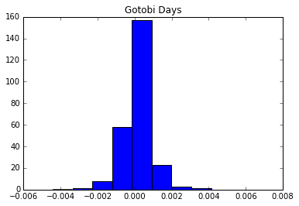
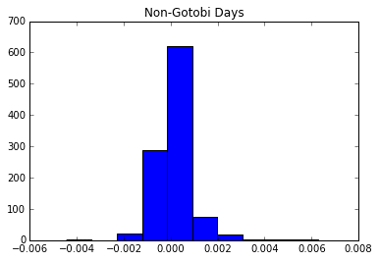
Bar Size | 60m Historical | Daily from 4:00am to 9:00am |  |  | Bar Size | 60m Recent | Daily from 4:00am to 9:00am
From | 2009-12-21 |  |  |  | From | 2016-08-01
To | 2014-12-09 |  |  |  | To | 2017-01-23

Time | 7:00:00 |  | Gotobi | Non-Gotobi | Time | 5:00:00 |  | Gotobi | Non-Gotobi
Stat | 0.128033 | N | 135 | 469 | Stat | 0.362745 | N | 7 | 51
P-value | 0.002339 | Hit % | 53.785% | 45.010% | P-value | 0.008551 | Hit % | 29.167% | 50.000%
 |  | Average Return | 0.015% | -0.002% |  |  | Average Return | -0.035% | 0.003%

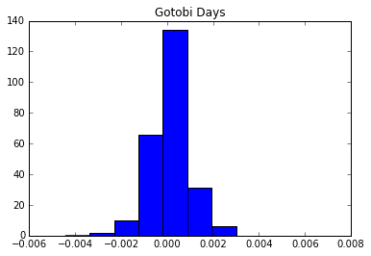
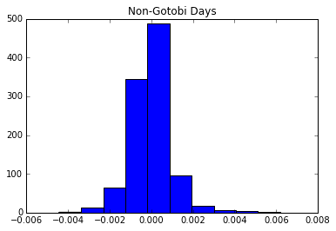
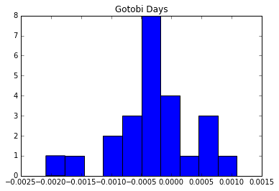
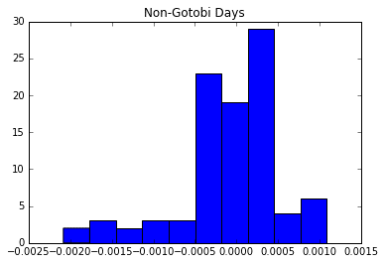

Comparison
Time | 5:00:00 |  | Gotobi | Non-Gotobi
Stat | 0.048531 | N | 133 | 545
P-value | 0.71717 | Hit % | 0.016% | 0.011%
 |  | Average Return | 52.988% | 52.303%

15m
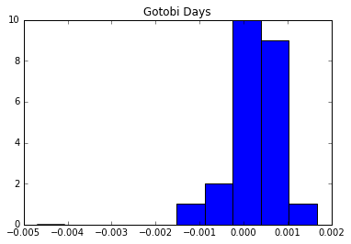
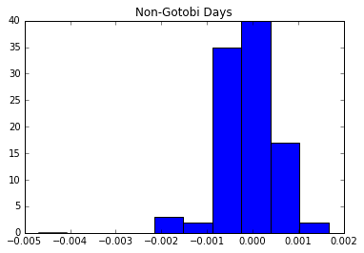
Bar Size | 15m Recent | Daily from 4:00am to 9:00am
From | 2016-08-01
To | 2017-01-23

Time | 5:30:00 |  | Gotobi | Non-Gotobi
Stat | 0.394608 | N | 9 | 45
P-value | 0.003145 | Hit % | 37.500% | 44.118%
 |  | Average Return | -0.013% | 0.004%

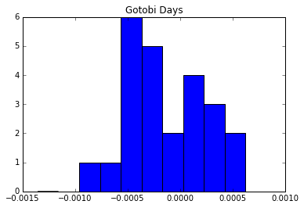
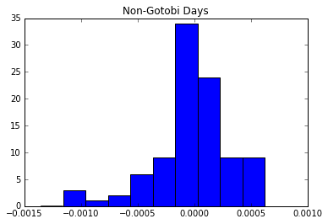

Time | 7:30:00 |  | Gotobi | Non-Gotobi
Stat | 0.306373 | N | 13 | 46
P-value | 0.040844 | Hit % | 54.167% | 45.098%
 |  | Average Return | 0.025% | -0.004%

